guide
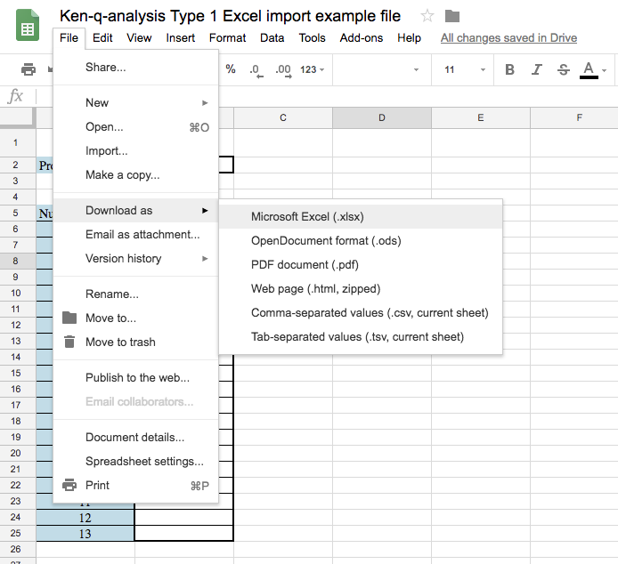
** How to download this file **

1. In Google Sheets - Click on "File"
2. Click on "Download as"
3. Click on "Microsoft Excel (.xlsx)
4. Open the file on your machine

